General
GENERAL

 | Transaction analysis
 | Metric | Count | Percentage of total transactions
 | Total transactions | 3552 | 100.0%
 | Invalid transactions | 37 | 1.0%
 | Valid transactions | 3515 | 99.0%
 | Valid & Similar transactions | 1632 | 45.9%
 | Valid & Non-similar transactions | 1883 | 53.0%
 | Accuracy | 46.43 | 1.3%

 | Unique Transaction Analysis
 | Metric | Count
 | Unique Demands | 802
 | Unique Supplies | 3338
 | Unique Valid Demands | 800
 | Unique Valid Supplies | 3309

 | Relevency Table
 | User Relevance | Not-Relevant | Relevant | Total |  |  | Metric | Percentage
 | Not-Relevant | 1425 | 18 | 1443 |  |  | Accuracy | 46.5%
 | Relevant | 1881 | 223 | 2104 |  |  | Precision | 92.5%
 | Total | 3306 | 241 | 3547 |  |  | Recall | 10.6%

 | Relevency Table Conditions
 | Case | Condition
 | System = Relevant, User = Relevant | System score >= 50%, User score = 4
 | System = Relevant, User = Not relevant | System score >= 50%, User score = 2 (Tech Reject)
 | System = Not relevant, User = Relevant | System score < 50%, User score = 4
 | System = Relevant, User = Not relevant | System score < 50%, User score = 2 (Tech Reject)

 | Low Score Proposals
 | System Rating | Count
 | 1 | 2657
 | 2 | 663
 | Total | 3320

 | System Rating Distribution
 | System rating | Transactions | Percentage of Total
 | 1 | 2657 | 74.8%
 | 2 | 663 | 18.7%
 | 3 | 170 | 4.8%
 | 4 | 54 | 1.5%
 | 5 | 8 | 0.2%
 | Total | 3552 | 100.0%

 | Rating Difference (Sytem Rating - User Rating) Distribution
 | Rating difference | 1 | 2 | 3 | 4 | 5 | Total
 | -3 | 1381 | 0 | 0 | 0 | 0 | 1381
 | -2 | 0 | 512 | 0 | 0 | 0 | 512
 | -1 | 1276 | 0 | 157 | 0 | 0 | 1433
 | 0 | 0 | 151 | 0 | 51 | 0 | 202
 | 1 | 0 | 0 | 13 | 0 | 7 | 20
 | 2 | 0 | 0 | 0 | 3 | 0 | 3
 | 3 | 0 | 0 | 0 | 0 | 1 | 1

 | Combined Number Of Skills : System Rating Distribution
 | Combined number of skills buncket | 1 | 2 | 3 | 4 | 5
 | 0-10 | 787 | 103 | 66 | 40 | 2
 | 10-20 | 180 | 61 | 17 | 3 | 1
 | 20-30 | 112 | 109 | 23 | 7 | 2
 | 30-40 | 313 | 97 | 16 | 0 | 1
 | 40-50 | 121 | 67 | 12 | 2 | 2
 | 50 and above | 1144 | 226 | 36 | 2 | 0

JD And Resume Length Distribution

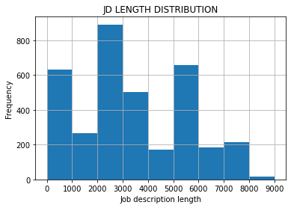
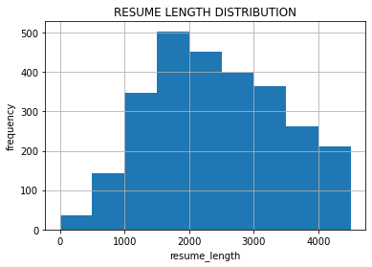

Funnel Charts

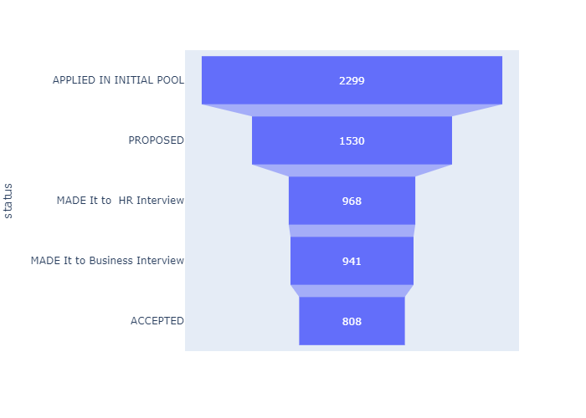
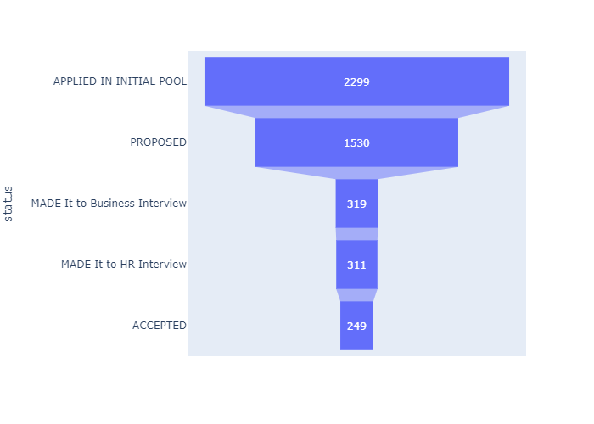

 | Candidate went through HR interview first then Business Interview |  |  |  |  |  |  |  | Candidate went through Business interview first then HR Interview

Valid transaction analysis
VALID TRANSACTION ANALYSIS

System Rating Distribution

 | Valid Transaction
 | System Rating : | 1 | 2 | 3 | 4 | 5 | Total
 | Transactions | 2620 | 663 | 170 | 54 | 8 | 3515
 | As percentage of total valid | 74.5% | 18.9% | 4.8% | 1.5% | 0.2% | 100.0%

 | Valid & Similar
 | System Rating : | 1 | 2 | 3 | 4 | 5 | Total
 | Transactions | 1253 | 151 | 170 | 51 | 7 | 1632
 | As percentage of total valid | 35.6% | 4.3% | 4.8% | 1.5% | 0.2% | 46.4%

 | Valid & Non-Similar
 | System Rating : | 1 | 2 | 4 | 5 | Total
 | Transactions | 1367 | 512 | 3 | 1 | 1883
 | As percentage of total valid | 38.9% | 14.6% | 0.1% | 0.0% | 53.6%

User Rating

 | User Rating Distribution
 | User Rating | 1 | 2 | 3 | 4 | 5 | Total
 | 2 | 1253 | 151 | 13 | 3 | 1 | 1421
 | 4 | 1367 | 512 | 157 | 51 | 7 | 2094
 | Total | 2620 | 663 | 170 | 54 | 8 | 3515

 | User Rating Distribution : Percentage Equivalency
 | User Rating | 1 | 2 | 3 | 4 | 5 | Total
 | 2 | 35.6% | 4.3% | 0.4% | 0.1% | 0.0% | 40.4%
 | 4 | 38.9% | 14.6% | 4.5% | 1.5% | 0.2% | 59.7%
 | Total | 74.5% | 18.9% | 4.9% | 1.6% | 0.2% | 100.1%

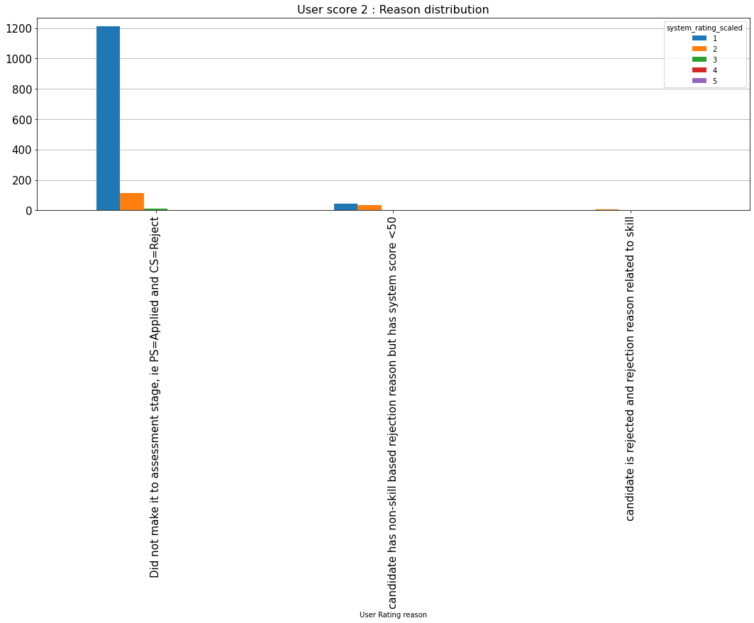
 | User score 2 : User Rating Reason Distribution
 | User Rating Reason | 1 | 2 | 3 | 4 | 5 | Total
 | Did not make it to assessment stage, ie PS=Applied and CS=Reject | 1210 | 113 | 12 | 3 | 0 | 1338
 | candidate has non-skill based rejection reason but has system score <50 | 42 | 32 | 0 | 0 | 0 | 74
 | candidate is rejected and rejection reason related to skill | 1 | 6 | 1 | 0 | 1 | 9
 | Total | 1253 | 151 | 13 | 3 | 1 | 1421

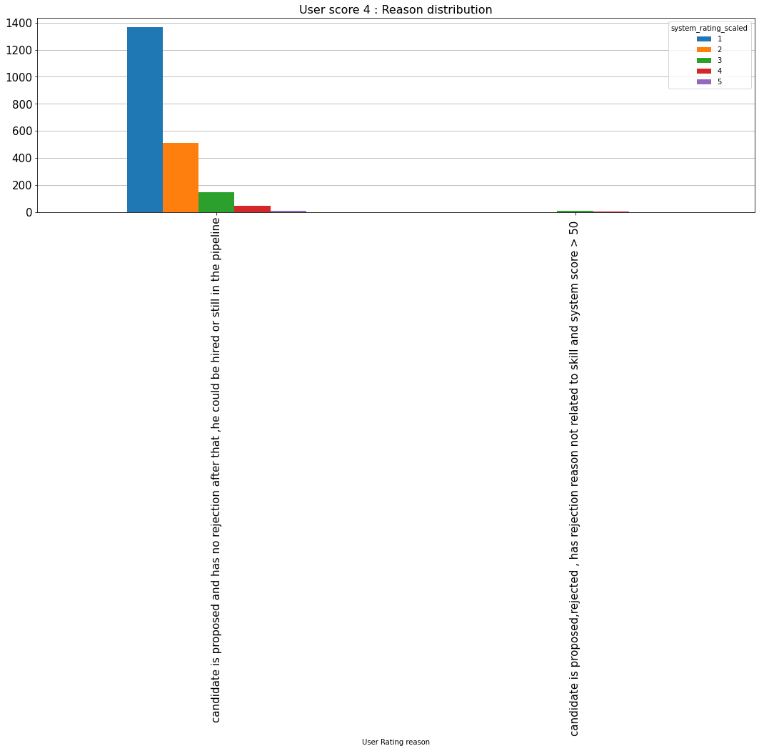
 | User score 4 : User Rating Reason Distribution
 | User Rating Reason | 1 | 2 | 3 | 4 | 5 | Total
 | candidate is proposed and has no rejection after that ,he could be hired or still in the pipeline | 1367 | 512 | 147 | 48 | 7 | 2081
 | candidate is proposed,rejected , has rejection reason not related to skill and system score > 50 | 0 | 0 | 10 | 3 | 0 | 13
 | Total | 1367 | 512 | 157 | 51 | 7 | 2094

Business Line

 | Top 10 Business Lines : System Rating Distribution
 | Business Line | 1 | 2 | 3 | 4 | 5 | Total | As percentage of total valid
 | Retail Branch Banking | 957 | 275 | 89 | 40 | 5 | 1366 | 38.9%
 | AFU | 463 | 13 | 1 | 0 | 0 | 477 | 13.6%
 | Retail Agri | 302 | 51 | 6 | 1 | 0 | 360 | 10.2%
 | Retail Agri Credit | 197 | 26 | 2 | 0 | 0 | 225 | 6.4%
 | SL Initiative | 187 | 23 | 3 | 1 | 0 | 214 | 6.1%
 | Operations | 99 | 56 | 12 | 4 | 0 | 171 | 4.9%
 | Business Banking - Working Cap | 51 | 34 | 17 | 3 | 0 | 105 | 3.0%
 | IT | 39 | 26 | 14 | 0 | 0 | 79 | 2.2%
 | Virtual Relationship Banking | 37 | 21 | 4 | 2 | 0 | 64 | 1.8%
 | Direct Banking Channels | 48 | 12 | 0 | 0 | 0 | 60 | 1.7%

Role/Title

 | Valid & Similar : System Rating Distribution
 | role/title | 1 | 2 | 3 | 4 | 5 | Total | As percentage of total valid
 | Credit Underwriter-AFU | 463 | 13 | 1 | 0 | 0 | 477 | 13.6%
 | Credit Mgr-Retail Agri KG | 184 | 23 | 2 | 0 | 0 | 209 | 5.9%
 | Relationship Manager- Dairy | 142 | 13 | 2 | 0 | 0 | 157 | 4.5%
 | RM-Retail Agri | 100 | 11 | 2 | 0 | 0 | 113 | 3.2%
 | Outreach Manager | 90 | 13 | 0 | 0 | 0 | 103 | 2.9%
 | RBB-Teller | 86 | 3 | 6 | 2 | 0 | 97 | 2.8%
 | Teller-SLI | 67 | 3 | 0 | 0 | 0 | 70 | 2.0%
 | RBB-Personal Banker | 17 | 5 | 25 | 20 | 1 | 68 | 1.9%
 | BBWC-RM | 3 | 14 | 17 | 3 | 0 | 37 | 1.1%
 | RBB-Preferred Relationship Manager | 2 | 2 | 14 | 12 | 1 | 31 | 0.9%

 | Valid & Non-Similar : System Rating Distribution
 | role/title | 1 | 2 | 3 | 4 | 5 | Total | As percentage of total valid
 | RBB-Teller | 336 | 23 | 0 | 0 | 0 | 359 | 10.2%
 | RBB-Personal Banker | 200 | 57 | 0 | 0 | 0 | 257 | 7.3%
 | RBB-Preferred Relationship Manager | 80 | 38 | 0 | 0 | 0 | 118 | 3.4%
 | RBB-PB-WD | 100 | 10 | 0 | 0 | 0 | 110 | 3.1%
 | BBWC-RM | 48 | 20 | 0 | 0 | 0 | 68 | 1.9%
 | Virtual RM -PBK | 35 | 20 | 0 | 0 | 0 | 55 | 1.6%
 | Junior Officer - AML | 32 | 13 | 0 | 0 | 0 | 45 | 1.3%
 | RM-Retail Agri | 33 | 11 | 0 | 0 | 0 | 44 | 1.3%
 | RM-EEG | 34 | 4 | 0 | 0 | 0 | 38 | 1.1%
 | OCC-EMT-Officer-Credit Cards | 27 | 9 | 0 | 0 | 0 | 36 | 1.0%

Rejection Analysis
REJECTION ANALYSIS

 | Valid : Rejection with Activity Reason Summary
 | Summary | Non-similar | Similar | Total
 | Rejections with activity reason | 4 | 1430 | 1434
 | As % of total valid rejects with activity reason | 0.3% | 99.7% | 100.0%
 | As percentage of total valid | 0.1% | 40.7% | 40.8%

Rejection Reason

 | Rejection Reason Analysis
 | Rejection Reason | Valid | percentage of total valid | percentage of total | Invalid | Valid & Similar | As percentage of total valid | As percentage of total | Valid & Non-similar | As percent of total valid | As percent of total | Similar as % of valid for reason | Non-similar as % of valid for reason
 | Missing other desired skills | 779 | 22.2% | 21.9% | 16 | 779 | 22.2% | 21.9% | 0 | 0.0% | 0.0% | 100.0% | 0.0%
 | Missing must have skills | 477 | 13.6% | 13.4% | 5 | 476 | 13.5% | 13.4% | 1 | 0.0% | 0.0% | 99.8% | 0.2%
 | Underqualified for the role | 58 | 1.7% | 1.6% | 1 | 56 | 1.6% | 1.6% | 2 | 0.1% | 0.1% | 96.6% | 3.4%
 | Overqualified for the role | 30 | 0.9% | 0.8% | 0 | 30 | 0.9% | 0.8% | 0 | 0.0% | 0.0% | 100.0% | 0.0%
 | Too little experience | 15 | 0.4% | 0.4% | 0 | 15 | 0.4% | 0.4% | 0 | 0.0% | 0.0% | 100.0% | 0.0%

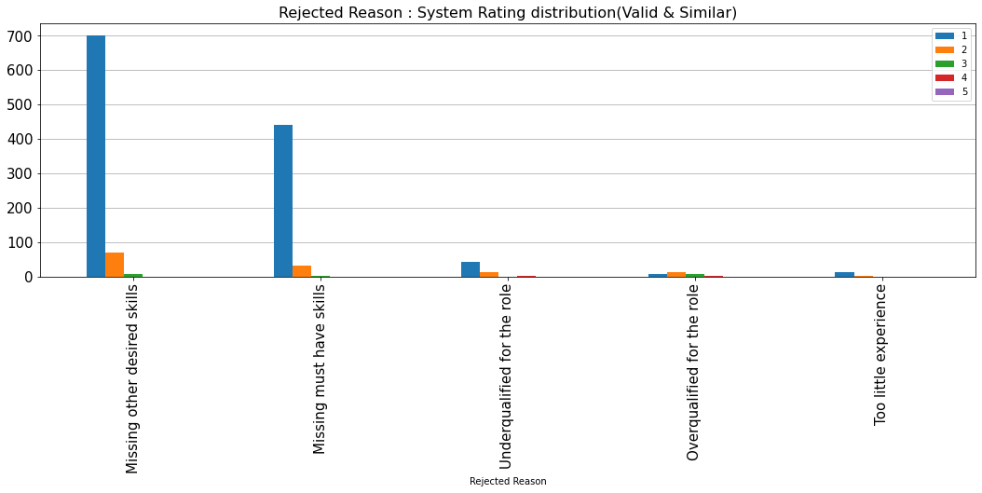
 | Top Rejection Reasons : System Rating Distribution (Valid & Similar Transactions)
 | Rejection Reason | 1 | 2 | 3 | 4 | 5 | Total | percentage of total valid
 | Missing other desired skills | 701 | 70 | 8 | 0 | 0 | 779 | 22.2%
 | Missing must have skills | 440 | 33 | 3 | 0 | 0 | 476 | 13.5%
 | Underqualified for the role | 42 | 13 | 0 | 1 | 0 | 56 | 1.6%
 | Overqualified for the role | 8 | 13 | 7 | 2 | 0 | 30 | 0.9%
 | Too little experience | 14 | 1 | 0 | 0 | 0 | 15 | 0.4%

 | Top Rejection Reasons : System Rating Distribution (Valid & Non-similar Transactions)
 | Rejection Reason | 1 | 2 | 3 | 4 | 5 | Total | percentage of total valid
 | Missing other desired skills | 0 | 0 | 0 | 0 | 0 | 0 | 0.0%
 | Missing must have skills | 0 | 0 | 0 | 1 | 0 | 1 | 0.0%
 | Underqualified for the role | 0 | 0 | 0 | 2 | 0 | 2 | 0.1%
 | Overqualified for the role | 0 | 0 | 0 | 0 | 0 | 0 | 0.0%
 | Too little experience | 0 | 0 | 0 | 0 | 0 | 0 | 0.0%

 | Missing other desired skills : Top Roles/Titles Analysis
 | Roles/Titles | Transactions | Valid | Valid as a % of total for role | Invalid | Invalid as % of total for Role | Valid & Similar | Similar as % of valid for Role | Valid & Non-similar | Non-similar as % of valid for Role
 | Credit Underwriter-AFU | 334 | 328 | 98.2% | 6 | 1.8% | 328 | 100.0% | 0 | 0.0%
 | Credit Mgr-Retail Agri KG | 130 | 128 | 98.5% | 2 | 1.5% | 128 | 100.0% | 0 | 0.0%
 | Relationship Manager- Dairy | 109 | 106 | 97.2% | 3 | 2.8% | 106 | 100.0% | 0 | 0.0%
 | Outreach Manager | 68 | 66 | 97.1% | 2 | 2.9% | 66 | 100.0% | 0 | 0.0%
 | RM-Retail Agri | 60 | 58 | 96.7% | 2 | 3.3% | 58 | 100.0% | 0 | 0.0%
 | Teller-SLI | 31 | 31 | 100.0% | 0 | 0.0% | 31 | 100.0% | 0 | 0.0%
 | Cluster Head-SLI | 12 | 12 | 100.0% | 0 | 0.0% | 12 | 100.0% | 0 | 0.0%
 | Area Credit Manager-Retail Agri Credit | 11 | 10 | 90.9% | 1 | 9.1% | 10 | 100.0% | 0 | 0.0%
 | RBB-Personal Banker | 8 | 8 | 100.0% | 0 | 0.0% | 8 | 100.0% | 0 | 0.0%
 | Area Manager-SPC & RLP | 7 | 7 | 100.0% | 0 | 0.0% | 7 | 100.0% | 0 | 0.0%

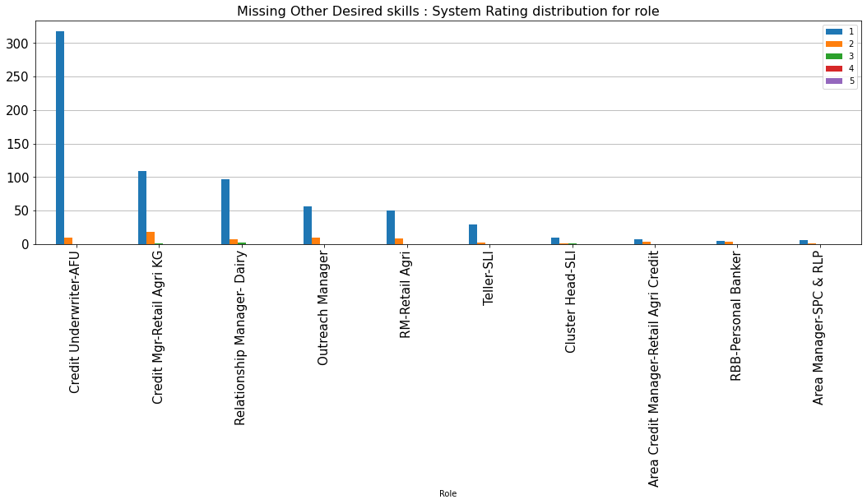
 | Missing Other Desired Skills : System Rating Distribution For Top Roles (Valid & Similar)
 | role/title | 1 | 2 | 3 | 4 | 5 | Total
 | Credit Underwriter-AFU | 318 | 10 | 0 | 0 | 0 | 328
 | Credit Mgr-Retail Agri KG | 109 | 18 | 1 | 0 | 0 | 128
 | Relationship Manager- Dairy | 97 | 7 | 2 | 0 | 0 | 106
 | Outreach Manager | 56 | 10 | 0 | 0 | 0 | 66
 | RM-Retail Agri | 50 | 8 | 0 | 0 | 0 | 58
 | Teller-SLI | 29 | 2 | 0 | 0 | 0 | 31
 | Cluster Head-SLI | 10 | 1 | 1 | 0 | 0 | 12
 | Area Credit Manager-Retail Agri Credit | 7 | 3 | 0 | 0 | 0 | 10
 | RBB-Personal Banker | 5 | 3 | 0 | 0 | 0 | 8
 | Area Manager-SPC & RLP | 6 | 1 | 0 | 0 | 0 | 7
 | Total | 687 | 63 | 4 | 0 | 0 | 754
 | As % of Total Valid for Activity Reason | 88.2 | 8.1 | 0.5 | 0 | 0 | 96.8

 | Missing Other Desired Skills : System Rating Distribution For Top Roles (Valid & Non-similar)
 | role/title | 1 | 2 | 3 | 4 | 5 | Total
 | Credit Underwriter-AFU | 0 | 0 | 0 | 0 | 0 | 0
 | Credit Mgr-Retail Agri KG | 0 | 0 | 0 | 0 | 0 | 0
 | Relationship Manager- Dairy | 0 | 0 | 0 | 0 | 0 | 0
 | Outreach Manager | 0 | 0 | 0 | 0 | 0 | 0
 | RM-Retail Agri | 0 | 0 | 0 | 0 | 0 | 0
 | Teller-SLI | 0 | 0 | 0 | 0 | 0 | 0
 | Cluster Head-SLI | 0 | 0 | 0 | 0 | 0 | 0
 | Area Credit Manager-Retail Agri Credit | 0 | 0 | 0 | 0 | 0 | 0
 | RBB-Personal Banker | 0 | 0 | 0 | 0 | 0 | 0
 | Area Manager-SPC & RLP | 0 | 0 | 0 | 0 | 0 | 0
 | Total | 0 | 0 | 0 | 0 | 0 | 0
 | As % of Total Valid for Activity Reason | 0 | 0 | 0 | 0 | 0 | 0

 | Missing Must Have Skills : Top Roles/Titles Analysis
 | Roles/Titles | Transactions | Valid | Valid as a % of total for role | Invalid | Invalid as % of total for Role | Valid & Similar | Similar as % of valid for Role | Valid & Non-similar | Non-similar as % of valid for Role
 | Credit Underwriter-AFU | 133 | 131 | 98.5% | 2 | 1.5% | 131 | 100.0% | 0 | 0.0%
 | Credit Mgr-Retail Agri KG | 74 | 73 | 98.6% | 1 | 1.4% | 73 | 100.0% | 0 | 0.0%
 | RBB-Teller | 71 | 71 | 100.0% | 0 | 0.0% | 71 | 100.0% | 0 | 0.0%
 | Relationship Manager- Dairy | 48 | 48 | 100.0% | 0 | 0.0% | 48 | 100.0% | 0 | 0.0%
 | RM-Retail Agri | 43 | 43 | 100.0% | 0 | 0.0% | 43 | 100.0% | 0 | 0.0%
 | Teller-SLI | 39 | 38 | 97.4% | 1 | 2.6% | 38 | 100.0% | 0 | 0.0%
 | Outreach Manager | 30 | 30 | 100.0% | 0 | 0.0% | 30 | 100.0% | 0 | 0.0%
 | Area Technical Mgr-Retail Policy | 21 | 20 | 95.2% | 1 | 4.8% | 20 | 100.0% | 0 | 0.0%
 | Cluster Head-SLI | 6 | 6 | 100.0% | 0 | 0.0% | 6 | 100.0% | 0 | 0.0%
 | Cluster Head-Retail Agri | 2 | 2 | 100.0% | 0 | 0.0% | 2 | 100.0% | 0 | 0.0%

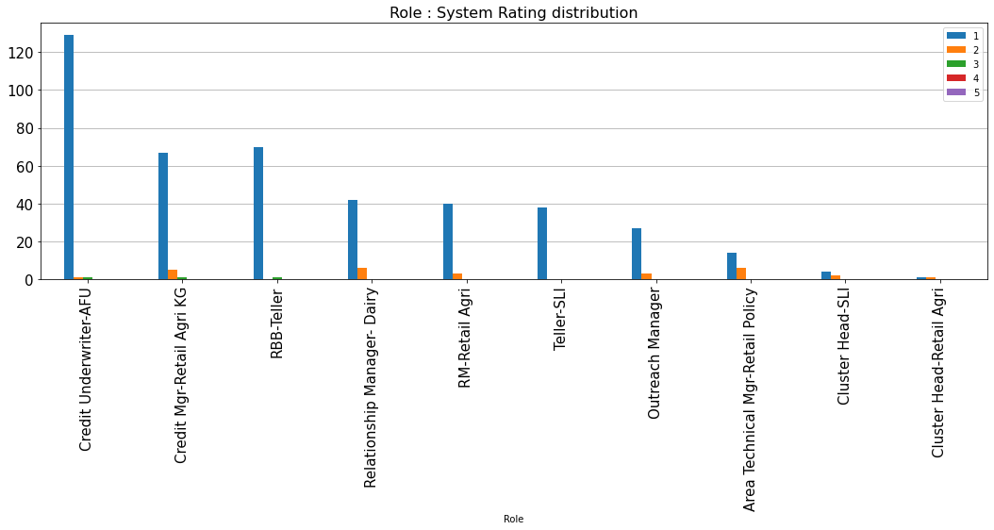
 | Missing Must Have Skills : System Rating Distribution For Top Roles (Valid & Similar)
 | role/title | 1 | 2 | 3 | 4 | 5 | Total
 | Credit Underwriter-AFU | 129 | 1 | 1 | 0 | 0 | 131
 | Credit Mgr-Retail Agri KG | 67 | 5 | 1 | 0 | 0 | 73
 | RBB-Teller | 70 | 0 | 1 | 0 | 0 | 71
 | Relationship Manager- Dairy | 42 | 6 | 0 | 0 | 0 | 48
 | RM-Retail Agri | 40 | 3 | 0 | 0 | 0 | 43
 | Teller-SLI | 38 | 0 | 0 | 0 | 0 | 38
 | Outreach Manager | 27 | 3 | 0 | 0 | 0 | 30
 | Area Technical Mgr-Retail Policy | 14 | 6 | 0 | 0 | 0 | 20
 | Cluster Head-SLI | 4 | 2 | 0 | 0 | 0 | 6
 | Cluster Head-Retail Agri | 1 | 1 | 0 | 0 | 0 | 2
 | Total | 432 | 27 | 3 | 0 | 0 | 462
 | As % of Total Valid for Activity Reason | 90.6% | 5.7% | 0.6% | 0.0% | 0.0% | 96.9%

 | Missing Must Have Skills : System Rating Distribution For Top Roles (Valid & Non-similar)
 | role/title | 1 | 2 | 3 | 4 | 5 | Total
 | Credit Underwriter-AFU | 0 | 0 | 0 | 0 | 0 | 0
 | Credit Mgr-Retail Agri KG | 0 | 0 | 0 | 0 | 0 | 0
 | RBB-Teller | 0 | 0 | 0 | 0 | 0 | 0
 | Relationship Manager- Dairy | 0 | 0 | 0 | 0 | 0 | 0
 | RM-Retail Agri | 0 | 0 | 0 | 0 | 0 | 0
 | Teller-SLI | 0 | 0 | 0 | 0 | 0 | 0
 | Outreach Manager | 0 | 0 | 0 | 0 | 0 | 0
 | Area Technical Mgr-Retail Policy | 0 | 0 | 0 | 0 | 0 | 0
 | Cluster Head-SLI | 0 | 0 | 0 | 0 | 0 | 0
 | Cluster Head-Retail Agri | 0 | 0 | 0 | 0 | 0 | 0
 | Total | 0 | 0 | 0 | 0 | 0 | 0
 | As % of Total Valid for Activity Reason | 0.0% | 0.0% | 0.0% | 0.0% | 0.0% | 0.0%

Allocation Analysis
ALLOCATION ANALYSIS

 | Proposal & Allocation Summary
 | Summary | Total | Valid | Valid as a % of total | Invalid | Invalid as a % of total | Valid & Similar | Valid & Similar as % of Valid Allocations | Valid & Non-similar | Valid & Non-similar as % of Valid Allocations
 | proposed | 2095 | 2081 | 99.3% | 14 | 0.7% | 202 | 9.7% | 1879 | 90.3%
 | reject | 1457 | 1434 | 98.4% | 23 | 1.6% | 1430 | 99.7% | 4 | 0.3%
 | transactions | 3552 | 3515 | 1.0% | 37 | 0.0% | 1632 | 0.5% | 1883 | 0.5%
 | OK to Hire | 37 | 36 | 97.3% | 1 | 2.7% | 3 | 8.3% | 33 | 91.7%
 | Proposed to Allocation Ratio | 56.6 | 57.8 |  | 14 |  | 67.3 |  | 56.9

System Rating

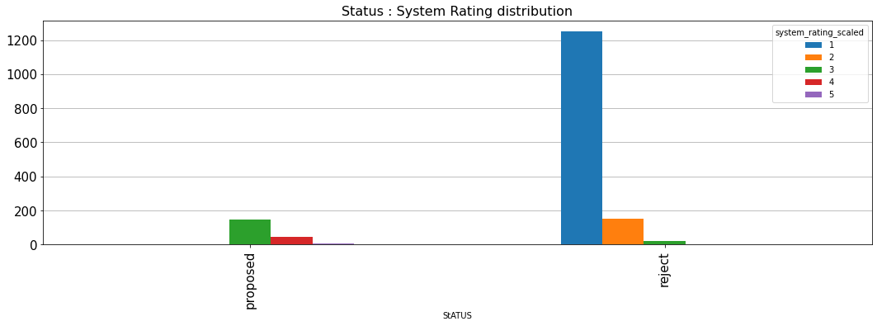
 | Status : System Rating Distribution (Valid & Similar)
 | Status | 1 | 2 | 3 | 4 | 5 | Total
 | proposed | 0 | 0 | 147 | 48 | 7 | 202
 | reject | 1253 | 151 | 23 | 3 | 0 | 1430
 | Total | 1253 | 151 | 170 | 51 | 7 | 1632

 | Proposed / Reject : System Rating Distribution (Valid & Non-similar)
 | Status | 1 | 2 | 3 | 4 | 5 | Total
 | proposed | 1367 | 512 | 0 | 0 | 0 | 1879
 | reject | 0 | 0 | 0 | 3 | 1 | 4
 | Total | 1367 | 512 | 0 | 3 | 1 | 1883

Roles/Titles

 | Top Roles For Allocated (ok to hire)
 | Roles/Titles | Valid | Valid & Similar | As % of Total Valid for Role | Valid & Non-similar | As % of Total Valid for role
 | OCC-EMT-Officer-Credit Cards | 4 | 0 | 0.0% | 4 | 100.0%
 | RBB-PB-Teller Authorisers | 3 | 0 | 0.0% | 3 | 100.0%
 | Authoriser - RAO | 3 | 0 | 0.0% | 3 | 100.0%
 | RBB-Personal Banker | 3 | 0 | 0.0% | 3 | 100.0%
 | OCC-EMT-Officer-Liabilities | 3 | 0 | 0.0% | 3 | 100.0%
 | Technology Mgr | 2 | 0 | 0.0% | 2 | 100.0%
 | RBB-Teller | 2 | 1 | 50.0% | 1 | 50.0%
 | RM-EEG | 2 | 0 | 0.0% | 2 | 100.0%
 | Sales Mgr-RA-TW | 1 | 0 | 0.0% | 1 | 100.0%
 | Analyst-Business Finance | 1 | 0 | 0.0% | 1 | 100.0%

 | Top Roles : System Rating Distribution (Valid & Similar)
 | role/title | 1 | 2 | 3 | 4 | 5 | Total
 | OCC-EMT-Officer-Credit Cards | 0 | 0 | 0 | 0 | 0 | 0
 | RBB-PB-Teller Authorisers | 0 | 0 | 0 | 0 | 0 | 0
 | Authoriser - RAO | 0 | 0 | 0 | 0 | 0 | 0
 | RBB-Personal Banker | 0 | 0 | 0 | 0 | 0 | 0
 | OCC-EMT-Officer-Liabilities | 0 | 0 | 0 | 0 | 0 | 0
 | Technology Mgr | 0 | 0 | 0 | 0 | 0 | 0
 | RBB-Teller | 0 | 0 | 1 | 0 | 0 | 1
 | RM-EEG | 0 | 0 | 0 | 0 | 0 | 0
 | Sales Mgr-RA-TW | 0 | 0 | 0 | 0 | 0 | 0
 | Analyst-Business Finance | 0 | 0 | 0 | 0 | 0 | 0
 | Total | 0 | 0 | 1 | 0 | 0 | 1

 | Top Roles : System Rating Distribution (Valid & Non-similar)
 | role/title | 1 | 2 | 3 | 4 | 5 | Total
 | OCC-EMT-Officer-Credit Cards | 3 | 1 | 0 | 0 | 0 | 4
 | RBB-PB-Teller Authorisers | 1 | 2 | 0 | 0 | 0 | 3
 | Authoriser - RAO | 0 | 3 | 0 | 0 | 0 | 3
 | RBB-Personal Banker | 2 | 1 | 0 | 0 | 0 | 3
 | OCC-EMT-Officer-Liabilities | 3 | 0 | 0 | 0 | 0 | 3
 | Technology Mgr | 2 | 0 | 0 | 0 | 0 | 2
 | RBB-Teller | 1 | 0 | 0 | 0 | 0 | 1
 | RM-EEG | 2 | 0 | 0 | 0 | 0 | 2
 | Sales Mgr-RA-TW | 1 | 0 | 0 | 0 | 0 | 1
 | Analyst-Business Finance | 1 | 0 | 0 | 0 | 0 | 1
 | Total | 16 | 7 | 0 | 0 | 0 | 23

Demand Edit Counts
DEMAND EDIT COUNTS

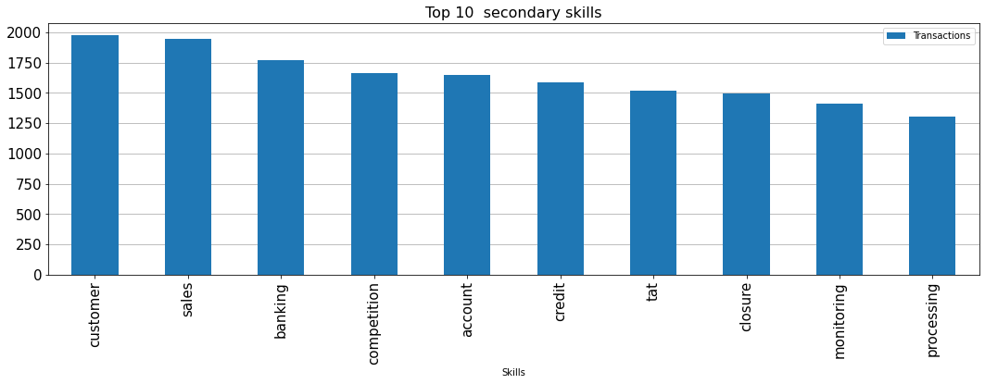
 | Demand Edit Counts
 | Demand edit Bucket | Count
 | 0-10 | 2044
 | 10-20 | 263
 | 20-30 | 248
 | 30-40 | 117
 | 40-50 | 116
 | 50-60 | 74
 | 60-70 | 61
 | 70-80 | 69
 | 80-90 | 33
 | 90-100 | 90
 | >100 | 437

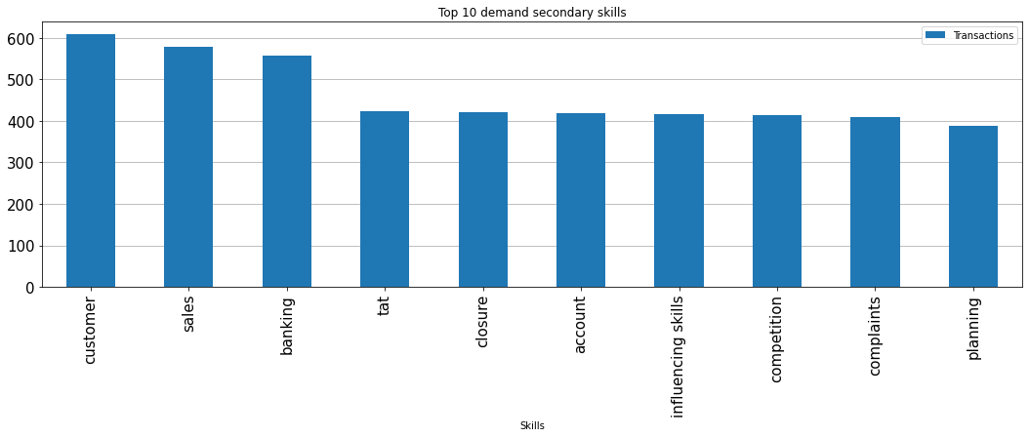
 | Unique Demands : Demand Edit Counts
 | Demand edit Bucket | Count
 | 0-10 | 628
 | 10-20 | 71
 | 20-30 | 38
 | 30-40 | 20
 | 40-50 | 12
 | 50-60 | 4
 | 60-70 | 6
 | 70-80 | 6
 | 80-90 | 3
 | 90-100 | 2
 | >100 | 12

